Sheet1
Question No | Passage | Question | Answer1 | Answer2 | Answer3 | Answer4 | CorrectAnswer | Demonstrate | Photo | Audio | Script
1 | 1 |  | A woman is painting a house | A woman is watering a plant | A woman is fixing a door | A woman is sweeping a walkway | B |  | 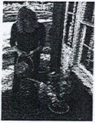
2 | 1 |  | They're folding some papers | They're putting a picture in a frame | They're studying a drawing | They're closing a window | C |  | 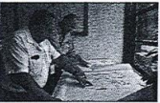
3 | 1 |  | The man is turning on a light | The man is giving the woman a book | The woman is posting signs on a wall | The woman is typing on a keyboard | D |  | 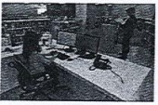
4 | 1 |  | Some clothing has been hung up | Some boxes are stacked on a cart | A bag has fallen on the floor | A chair has been pushed under a desk | A |  | 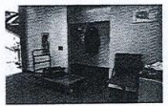
5 | 1 |  | Somw customers are paying for their meals | Some workers are washing dishes | Some food is being placed in a refrigerator | Some large cooking pots are on a counter | D |  | 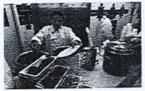
6 | 1 |  | Runners are lined up for start of a race | Some people are cheering for a sports team | An athletic field is located near some trees | Lawn mowers are being used to cut the grass | C |  | 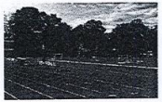

Sheet2
4 | The man is buying a ticket at the bus station | The man is boarding the bus | The man is handing his baggage to a conductor | The man is checking the bus timetable | B | A.The man is buying a ticket at the bus station B.The man is boarding the bus C.The man is handing his baggage to a conductor D.The man is checking the bus timetable | 
5 | The worker is preparing to dig the earth | There are a lot of leaves on the road | The road is being resurfaced | The man is driving the truck down the hill | C | A.The worker is preparing to dig the earth B.There are a lot of leaves on the road C.The road is being resurfaced D.The man is driving the truck down the hill | 
6 | Neither of the phones is being used | The two phones are different in size from each other | The telephones are being repaired | Each telephone is in a separate booth | A | A.Neither of the phones is being used B.The two phones are different in size from each other C.The telephones are being repaired D.Each telephone is in a separate booth | 

